Images
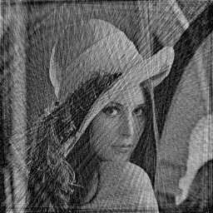
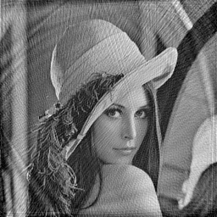
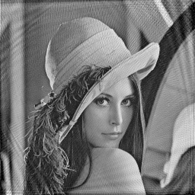
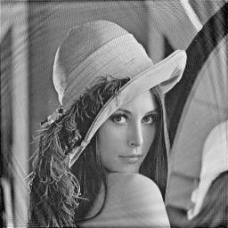

# Samples = 16384 | # Samples = 32768 | # Samples = 49152 | # Samples = 65536
# Intterleafs = 32 | # Intterleafs = 32 | # Intterleafs = 64 | # Intterleafs = 64
# Wraps = 4 | # Wraps = 4 | # Wraps = 2 | # Wraps = 2

Graphs
# Samples | Max PSNR | # Samples | Max SSIM | # Samples | Median Time
16384 | 16.32 | 16384 | 0.8391 | 16384 | 37441
32768 | 22.28 | 32768 | 0.9447 | 32768 | 61526
49152 | 27.86 | 49152 | 0.9795 | 49152 | 86894
65536 | 27.61 | 65536 | 0.9833 | 65536 | 112062

# Samples Vs. Max PSNR
# Samples Vs. Max SSIM

# Samples Vs. Median Time

